Coverage vs Throughput
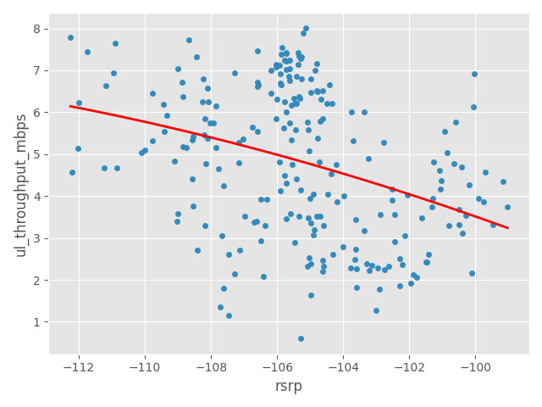
Coverage vs Download Throughput Scatter Graphs

TOTMOBILE
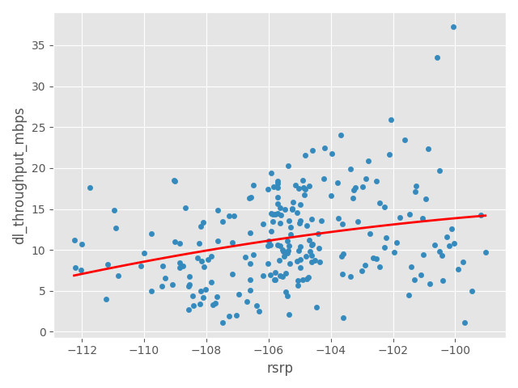

Coverage vs Upload Throughput Scatter Graphs

TOTMOBILE

Quality vs Throughput
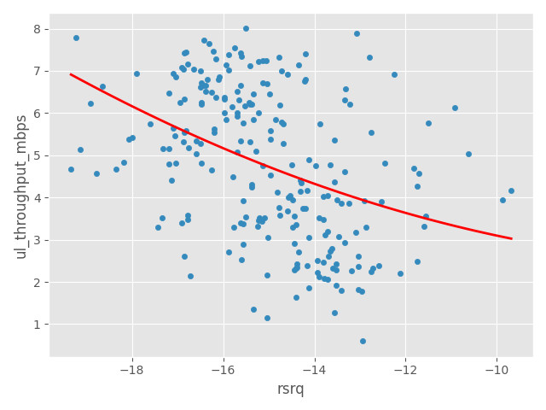
Quality Vs Download Throughput Scatter Graphs

TOTMOBILE
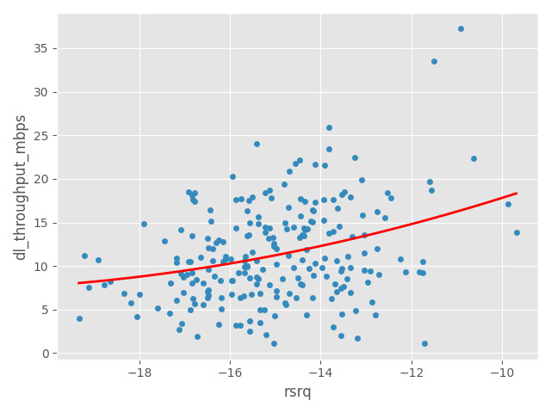

Quality Vs Upload Throughput Scatter Graphs

TOTMOBILE

SINR vs Throughput
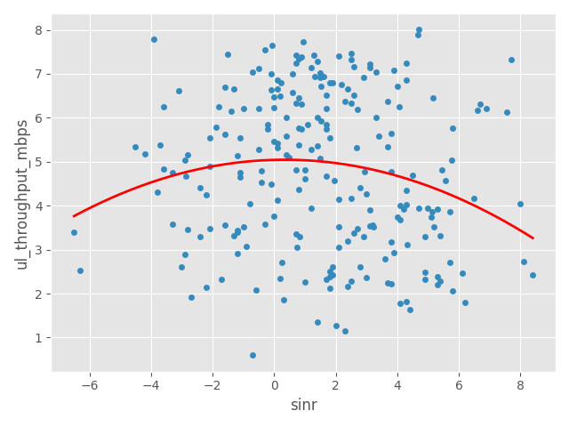
SINR Vs Download Throughput Scatter Graphs

TOTMOBILE
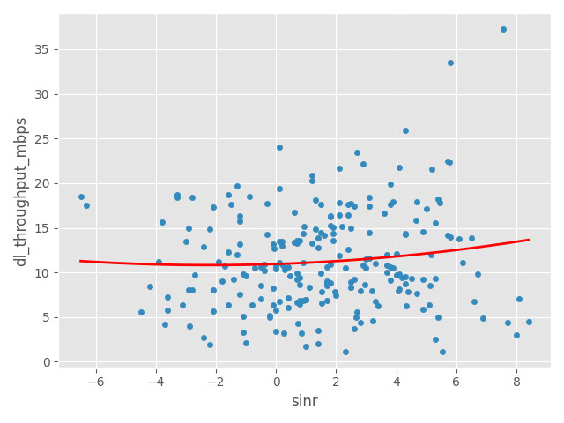

SINR Vs Upload Throughput Scatter Graphs

TOTMOBILE

Throughput by Time
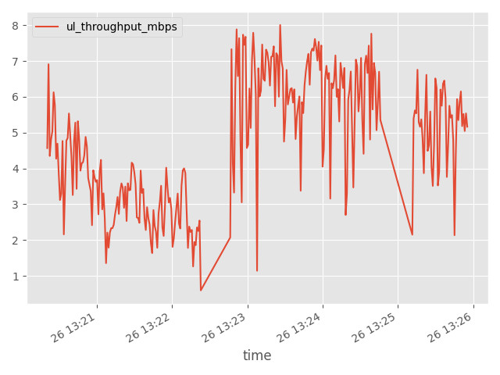
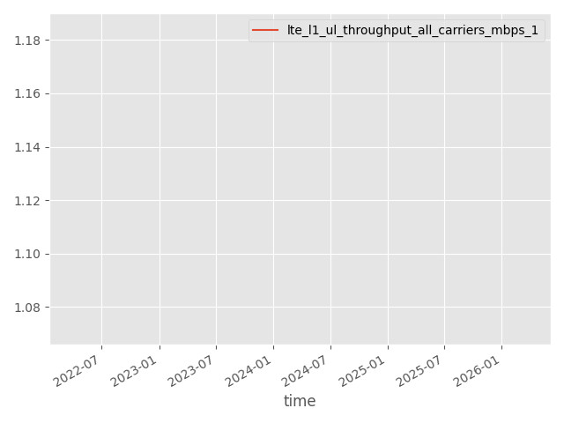
DL App Throughput by Time Graph | DL LTE Throughput by Time Graph

TOTMOBILE | TOTMOBILE
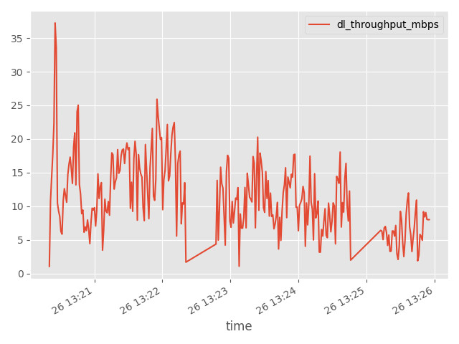

UL App Throughput by Time Graph | UL LTE Throughput by Time Graph
TOTMOBILE | TOTMOBILE

Ping Round Trip Time
Ping Round Trip Time

Metric | TOTMOBILE
PING Attempts | 3
PING RTT Avg (millis) | 131.525
PING RTT Min (millis) | 68.233333333
PING Result Count <= 150 ms | 2
PING Result Percentage <= 150 ms (%) | 66.666666667
PING Result Count <= 500 ms | 3
PING Result Percentage <= 500 ms (%) | 100

NOTE: For cases where phone had a non-standard ping binary which doesn't provide rtt. rtt_avg shown here is estimated from radio params (cqi, mcs_index, sinr, ec/io, etc) instead and its rows would be flagged with a note in the 'rtt_avg_note' column (in 'PING detailed test samples' table below).

Ping RTT (Seconds) by URL bar charts
TOTMOBILE
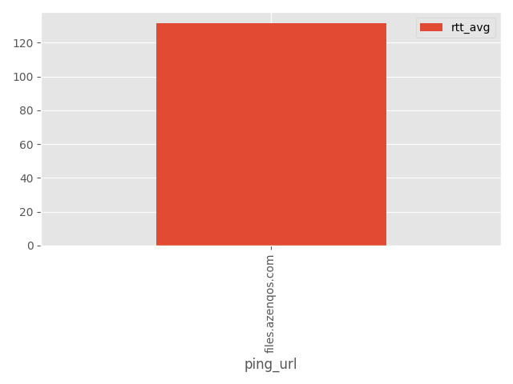

PING RTT (millis) by URL summary
operator_name | files.azenqos.com
TOTMOBILE | 131.525

PING detailed test samples
log_hash | time | modem_time | operator_name | log_ori_file_name | imei | imsi | statement_start_time | statement_end_time | statement_session_id | ping_start | ping_start_time | ping_done | ping_done_time | ping_success | ping_success_time | ping_fail | ping_fail_time | ping_url | ping_packet_loss_percent | rtt_min | rtt_avg | rtt_max | result_success | test_session_duration_secs | positioning_lat | positioning_lon | nr_rsrp_avg | nr_rsrq_avg | nr_sinr_avg | start_nr_band | start_nr_arfcn | start_nr_pci | start_nr_beam | start_nr_pci_time | end_nr_band | end_nr_arfcn | end_nr_pci | end_nr_beam | end_nr_pci_time | nr_pdsch_tput_mbps_max | nr_pdsch_tput_mbps_avg | nr_mac_dl_tput_mbps_max | nr_mac_dl_tput_mbps_avg | nr_lte_dl_pdcp_tput_mbps_max | nr_lte_dl_pdcp_tput_mbps_avg | nr_pusch_tput_mbps_max | nr_pusch_tput_mbps_avg | nr_mac_ul_tput_mbps_max | nr_mac_ul_tput_mbps_avg | lte_inst_rsrp_avg | lte_inst_rsrq_avg | lte_sinr_avg | start_lte_pci | end_lte_pci | start_lte_earfcn | end_lte_earfcn | lte_pcc_earfcn | lte_scc1_earfcn | lte_scc2_earfcn | lte_scc3_earfcn | start_lte_band | end_lte_band | start_pci_time | end_pci_time | start_lte_sib1_mcc | start_lte_sib1_mnc | end_lte_sib1_mcc | end_lte_sib1_mnc | start_lte_tac | end_lte_tac | start_lte_eci | end_lte_eci | start_lte_enbid | end_lte_enbid | start_lte_lci | end_lte_lci | lte_mcs_index_avg | lte_l1_dl_tp_mbps_avg | lte_l1_dl_tp_mbps_max | lte_mac_dl_tput_mbps_max | lte_mac_dl_tput_mbps_avg | lte_l1_ul_tp_mbps_avg | lte_l1_ul_tp_mbps_max | lte_mac_ul_tput_mbps_max | lte_mac_ul_tput_mbps_avg | lte_cqi_avg | lte_pdsch_mod_list | lte_pdsch_n_active_carriers_list | wcdma_ecio_avg | wcdma_rscp_avg | start_wcdma_band | end_wcdma_band | start_uarfcn | end_uarfcn | start_psc | end_psc | start_psc_time | end_psc_time | hsdpa_cqi_avg | hsdpa_tp_mbps_avg | hsupa_tp_mbps_avg | start_android_cellid | end_android_cellid | start_gsm_wcdma_mcc | start_gsm_wcdma_mnc | end_gsm_wcdma_mcc | end_gsm_wcdma_mnc | gsm_rxlev_avg | gsm_rxqual_avg | start_bcch | end_bcch | start_bsic | end_bsic | start_gsm_cellid | end_gsm_cellid | start_bcch_time | end_bcch_time | nr_pdsch_tput_mbps_90th_percentile | nr_pdsch_tput_mbps_95th_percentile | nr_pusch_tput_mbps_90th_percentile | nr_pusch_tput_mbps_95th_percentile | lte_sib1_mcc_mnc | lte_sib1_mcc_mnc_matches_imsi | lte_sib1_mcc_mnc_alt | lte_l1_dl_tp_mbps_95th_percentile | lte_l1_dl_tp_mbps_90th_percentile | lte_l1_ul_tp_mbps_95th_percentile | lte_l1_ul_tp_mbps_90th_percentile | app_tp_dl_mbps_avg | app_tp_dl_mbps_max | app_tp_dl_mbps_95th_percentile | app_tp_dl_mbps_90th_percentile | app_tp_ul_mbps_avg | app_tp_ul_mbps_max | app_tp_ul_mbps_95th_percentile | app_tp_ul_mbps_90th_percentile | throughput_download_avg_kbps | throughput_download_max_kbps | throughput_upload_avg_kbps | throughput_upload_max_kbps | point_name
440670093026945289 | 2024-03-26 |  | TOTMOBILE | 354985102601501 26_3_2024 13.25.58.azm | 354985102601501 | 520171101468449 | 2024-03-26 | 2024-03-26 | PingStatement_202403261320125 | files.azenqos.com, 20 time(s), packetSize = 16,null | 2024-03-26 | 20 packets transmitted, 20 received, 0% packet loss, time 3819ms rtt min/avg/max/mdev = 49.313/116.634/207.467/31.260 ms, pipe 2 ,PING files.azenqos.com (206.189.81.47) 16(44) bytes of data. 24 bytes from 206.189.81.47: icmp_seq=1 ttl=47 time=98.3 ms 24 bytes from 206.189.81.47: icmp_seq=2 ttl=47 time=207 ms 24 bytes from 206.189.81.47: icmp_seq=3 ttl=47 time=81.4 ms 24 bytes from 206.189.81.47: icmp_seq=4 ttl=47 time=100 ms 24 bytes from 206.189.81.47: icmp_seq=5 ttl=47 time=89.3 ms 24 bytes from 206.189.81.47: icmp_seq=6 ttl=47 time=111 ms 24 bytes from 206.189.81.47: icmp_seq=7 ttl=47 time=97.8 ms 24 bytes from 206.189.81.47: icmp_seq=8 ttl=47 time=107 ms 24 bytes from 206.189.81.47: icmp_seq=9 ttl=47 time=110 ms 24 bytes from 206.189.81.47: icmp_seq=10 ttl=47 time=117 ms 24 bytes from 206.189.81.47: icmp_seq=11 ttl=47 time=118 ms 24 bytes from 206.189.81.47: icmp_seq=12 ttl=47 time=123 ms 24 bytes from 206.189.81.47: icmp_seq=13 ttl=47 time=131 ms 24 bytes from 206.189.81.47: icmp_seq=14 ttl=47 time=134 ms 24 bytes from 206.189.81.47: icmp_seq=15 ttl=47 time=150 ms 24 bytes from 206.189.81.47: icmp_seq=16 ttl=47 time=49.3 ms 24 bytes from 206.189.81.47: icmp_seq=17 ttl=47 time=144 ms 24 bytes from 206.189.81.47: icmp_seq=18 ttl=47 time=104 ms 24 bytes from 206.189.81.47: icmp_seq=19 ttl=47 time=147 ms 24 bytes from 206.189.81.47: icmp_seq=20 ttl=47 time=107 ms --- files.azenqos.com ping statistics --- 20 packets transmitted, 20 received, 0% packet loss, time 3819ms rtt min/avg/max/mdev = 49.313/116.634/207.467/31.260 ms, pipe 2 | 2024-03-26 | ,PING files.azenqos.com (206.189.81.47) 16(44) bytes of data. 24 bytes from 206.189.81.47: icmp_seq=1 ttl=47 time=98.3 ms 24 bytes from 206.189.81.47: icmp_seq=2 ttl=47 time=207 ms 24 bytes from 206.189.81.47: icmp_seq=3 ttl=47 time=81.4 ms 24 bytes from 206.189.81.47: icmp_seq=4 ttl=47 time=100 ms 24 bytes from 206.189.81.47: icmp_seq=5 ttl=47 time=89.3 ms 24 bytes from 206.189.81.47: icmp_seq=6 ttl=47 time=111 ms 24 bytes from 206.189.81.47: icmp_seq=7 ttl=47 time=97.8 ms 24 bytes from 206.189.81.47: icmp_seq=8 ttl=47 time=107 ms 24 bytes from 206.189.81.47: icmp_seq=9 ttl=47 time=110 ms 24 bytes from 206.189.81.47: icmp_seq=10 ttl=47 time=117 ms 24 bytes from 206.189.81.47: icmp_seq=11 ttl=47 time=118 ms 24 bytes from 206.189.81.47: icmp_seq=12 ttl=47 time=123 ms 24 bytes from 206.189.81.47: icmp_seq=13 ttl=47 time=131 ms 24 bytes from 206.189.81.47: icmp_seq=14 ttl=47 time=134 ms 24 bytes from 206.189.81.47: icmp_seq=15 ttl=47 time=150 ms 24 bytes from 206.189.81.47: icmp_seq=16 ttl=47 time=49.3 ms 24 bytes from 206.189.81.47: icmp_seq=17 ttl=47 time=144 ms 24 bytes from 206.189.81.47: icmp_seq=18 ttl=47 time=104 ms 24 bytes from 206.189.81.47: icmp_seq=19 ttl=47 time=147 ms 24 bytes from 206.189.81.47: icmp_seq=20 ttl=47 time=107 ms --- files.azenqos.com ping statistics --- 20 packets transmitted, 20 received, 0% packet loss, time 3819ms rtt min/avg/max/mdev = 49.313/116.634/207.467/31.260 ms, pipe 2 | 2024-03-26 |  |  | files.azenqos.com | 0 | 49.3 | 116.305 | 207 | 1 | 6.253 | nan | nan |  |  |  |  |  |  |  |  |  |  |  |  |  |  |  |  |  |  |  |  |  |  |  | -100.25113133 | -12.384071658 | 4.7363553114 | 98 | 98 | 38852 | 38852 | 38852 |  |  |  | 40 | 40 | 2024-03-26 | 2024-03-26 |  |  |  |  |  |  |  |  |  |  |  |  | 3.2 | 0.0898214 | 0.128 | 0.00020345140781 | 0.00012179031394 | 0.0054826 | 0.008978 | 0.00033601429848 | 0.00023555111282 | 10.011805556 | ['QPSK'] | [1] |  |  |  |  |  |  |  |  |  |  |  |  |  | 77769513 | 77769513 |  |  |  |  |  |  |  |  | None | None |  |  |  |  |  |  |  |  |  |  |  | 0.1248 | 0.1216 | 0.0084364 | 0.0078948 | 0.016770833333 | 0.05296875 | 0.045033203125 | 0.03709765625 | 0.017029947917 | 0.0369765625 | 0.03404296875 | 0.031109375 | 16.770833333 | 52.96875 | 17.029947917 | 36.9765625 | nan
440670093026945289 | 2024-03-26 |  | TOTMOBILE | 354985102601501 26_3_2024 13.25.58.azm | 354985102601501 | 520171101468449 | 2024-03-26 | 2024-03-26 | PingStatement_202403261322388 | files.azenqos.com, 20 time(s), packetSize = 16,null | 2024-03-26 | 20 packets transmitted, 20 received, 0% packet loss, time 3809ms rtt min/avg/max/mdev = 104.654/121.963/147.874/11.348 ms ,PING files.azenqos.com (206.189.81.47) 16(44) bytes of data. 24 bytes from 206.189.81.47: icmp_seq=1 ttl=47 time=141 ms 24 bytes from 206.189.81.47: icmp_seq=2 ttl=47 time=110 ms 24 bytes from 206.189.81.47: icmp_seq=3 ttl=47 time=116 ms 24 bytes from 206.189.81.47: icmp_seq=4 ttl=47 time=120 ms 24 bytes from 206.189.81.47: icmp_seq=5 ttl=47 time=108 ms 24 bytes from 206.189.81.47: icmp_seq=6 ttl=47 time=115 ms 24 bytes from 206.189.81.47: icmp_seq=7 ttl=47 time=124 ms 24 bytes from 206.189.81.47: icmp_seq=8 ttl=47 time=126 ms 24 bytes from 206.189.81.47: icmp_seq=9 ttl=47 time=124 ms 24 bytes from 206.189.81.47: icmp_seq=10 ttl=47 time=129 ms 24 bytes from 206.189.81.47: icmp_seq=11 ttl=47 time=134 ms 24 bytes from 206.189.81.47: icmp_seq=12 ttl=47 time=138 ms 24 bytes from 206.189.81.47: icmp_seq=13 ttl=47 time=104 ms 24 bytes from 206.189.81.47: icmp_seq=14 ttl=47 time=147 ms 24 bytes from 206.189.81.47: icmp_seq=15 ttl=47 time=110 ms 24 bytes from 206.189.81.47: icmp_seq=16 ttl=47 time=115 ms 24 bytes from 206.189.81.47: icmp_seq=17 ttl=47 time=114 ms 24 bytes from 206.189.81.47: icmp_seq=18 ttl=47 time=115 ms 24 bytes from 206.189.81.47: icmp_seq=19 ttl=47 time=117 ms 24 bytes from 206.189.81.47: icmp_seq=20 ttl=47 time=123 ms --- files.azenqos.com ping statistics --- 20 packets transmitted, 20 received, 0% packet loss, time 3809ms rtt min/avg/max/mdev = 104.654/121.963/147.874/11.348 ms | 2024-03-26 | ,PING files.azenqos.com (206.189.81.47) 16(44) bytes of data. 24 bytes from 206.189.81.47: icmp_seq=1 ttl=47 time=141 ms 24 bytes from 206.189.81.47: icmp_seq=2 ttl=47 time=110 ms 24 bytes from 206.189.81.47: icmp_seq=3 ttl=47 time=116 ms 24 bytes from 206.189.81.47: icmp_seq=4 ttl=47 time=120 ms 24 bytes from 206.189.81.47: icmp_seq=5 ttl=47 time=108 ms 24 bytes from 206.189.81.47: icmp_seq=6 ttl=47 time=115 ms 24 bytes from 206.189.81.47: icmp_seq=7 ttl=47 time=124 ms 24 bytes from 206.189.81.47: icmp_seq=8 ttl=47 time=126 ms 24 bytes from 206.189.81.47: icmp_seq=9 ttl=47 time=124 ms 24 bytes from 206.189.81.47: icmp_seq=10 ttl=47 time=129 ms 24 bytes from 206.189.81.47: icmp_seq=11 ttl=47 time=134 ms 24 bytes from 206.189.81.47: icmp_seq=12 ttl=47 time=138 ms 24 bytes from 206.189.81.47: icmp_seq=13 ttl=47 time=104 ms 24 bytes from 206.189.81.47: icmp_seq=14 ttl=47 time=147 ms 24 bytes from 206.189.81.47: icmp_seq=15 ttl=47 time=110 ms 24 bytes from 206.189.81.47: icmp_seq=16 ttl=47 time=115 ms 24 bytes from 206.189.81.47: icmp_seq=17 ttl=47 time=114 ms 24 bytes from 206.189.81.47: icmp_seq=18 ttl=47 time=115 ms 24 bytes from 206.189.81.47: icmp_seq=19 ttl=47 time=117 ms 24 bytes from 206.189.81.47: icmp_seq=20 ttl=47 time=123 ms --- files.azenqos.com ping statistics --- 20 packets transmitted, 20 received, 0% packet loss, time 3809ms rtt min/avg/max/mdev = 104.654/121.963/147.874/11.348 ms | 2024-03-26 |  |  | files.azenqos.com | 0 | 104 | 121.5 | 147 | 1 | 6.022 | nan | nan |  |  |  |  |  |  |  |  |  |  |  |  |  |  |  |  |  |  |  |  |  |  |  | -106.4375 | -12.75 | -0.475 | 98 | 98 | 38852 | 38852 | 38852 |  |  |  | 40 | 40 | 2024-03-26 | 2024-03-26 |  |  |  |  |  |  |  |  |  |  |  |  | 4 | 0.12 | 0.144 | 0.00010092514718 | 6.6871347413E-05 |  |  |  |  |  | ['QPSK'] | [1] |  |  |  |  |  |  |  |  |  |  |  |  |  | 77769513 | 77769513 |  |  |  |  |  |  |  |  | None | None |  |  |  |  |  |  |  |  |  |  |  | 0.1416 | 0.1392 |  |  | 0.0033515625 | 0.0055234375 | 0.005275390625 | 0.00502734375 | 0.0037291666667 | 0.00546875 | 0.005421875 | 0.005375 | 3.3515625 | 5.5234375 | 3.7291666667 | 5.46875 | nan
440670093026945289 | 2024-03-26 |  | TOTMOBILE | 354985102601501 26_3_2024 13.25.58.azm | 354985102601501 | 520171101468449 | 2024-03-26 | 2024-03-26 | PingStatement_202403261325041 | files.azenqos.com, 20 time(s), packetSize = 16,null | 2024-03-26 | 20 packets transmitted, 20 received, 0% packet loss, time 3823ms rtt min/avg/max/mdev = 51.451/157.175/334.717/72.241 ms, pipe 2 ,PING files.azenqos.com (206.189.81.47) 16(44) bytes of data. 24 bytes from 206.189.81.47: icmp_seq=1 ttl=47 time=78.6 ms 24 bytes from 206.189.81.47: icmp_seq=2 ttl=47 time=51.4 ms 24 bytes from 206.189.81.47: icmp_seq=3 ttl=47 time=108 ms 24 bytes from 206.189.81.47: icmp_seq=4 ttl=47 time=109 ms 24 bytes from 206.189.81.47: icmp_seq=5 ttl=47 time=114 ms 24 bytes from 206.189.81.47: icmp_seq=6 ttl=47 time=104 ms 24 bytes from 206.189.81.47: icmp_seq=7 ttl=47 time=68.4 ms 24 bytes from 206.189.81.47: icmp_seq=8 ttl=47 time=113 ms 24 bytes from 206.189.81.47: icmp_seq=9 ttl=47 time=117 ms 24 bytes from 206.189.81.47: icmp_seq=10 ttl=47 time=122 ms 24 bytes from 206.189.81.47: icmp_seq=11 ttl=47 time=176 ms 24 bytes from 206.189.81.47: icmp_seq=12 ttl=47 time=334 ms 24 bytes from 206.189.81.47: icmp_seq=13 ttl=47 time=248 ms 24 bytes from 206.189.81.47: icmp_seq=14 ttl=47 time=227 ms 24 bytes from 206.189.81.47: icmp_seq=15 ttl=47 time=233 ms 24 bytes from 206.189.81.47: icmp_seq=16 ttl=47 time=237 ms 24 bytes from 206.189.81.47: icmp_seq=17 ttl=47 time=203 ms 24 bytes from 206.189.81.47: icmp_seq=18 ttl=47 time=214 ms 24 bytes from 206.189.81.47: icmp_seq=19 ttl=47 time=169 ms 24 bytes from 206.189.81.47: icmp_seq=20 ttl=47 time=109 ms --- files.azenqos.com ping statistics --- 20 packets transmitted, 20 received, 0% packet loss, time 3823ms rtt min/avg/max/mdev = 51.451/157.175/334.717/72.241 ms, pipe 2 | 2024-03-26 | ,PING files.azenqos.com (206.189.81.47) 16(44) bytes of data. 24 bytes from 206.189.81.47: icmp_seq=1 ttl=47 time=78.6 ms 24 bytes from 206.189.81.47: icmp_seq=2 ttl=47 time=51.4 ms 24 bytes from 206.189.81.47: icmp_seq=3 ttl=47 time=108 ms 24 bytes from 206.189.81.47: icmp_seq=4 ttl=47 time=109 ms 24 bytes from 206.189.81.47: icmp_seq=5 ttl=47 time=114 ms 24 bytes from 206.189.81.47: icmp_seq=6 ttl=47 time=104 ms 24 bytes from 206.189.81.47: icmp_seq=7 ttl=47 time=68.4 ms 24 bytes from 206.189.81.47: icmp_seq=8 ttl=47 time=113 ms 24 bytes from 206.189.81.47: icmp_seq=9 ttl=47 time=117 ms 24 bytes from 206.189.81.47: icmp_seq=10 ttl=47 time=122 ms 24 bytes from 206.189.81.47: icmp_seq=11 ttl=47 time=176 ms 24 bytes from 206.189.81.47: icmp_seq=12 ttl=47 time=334 ms 24 bytes from 206.189.81.47: icmp_seq=13 ttl=47 time=248 ms 24 bytes from 206.189.81.47: icmp_seq=14 ttl=47 time=227 ms 24 bytes from 206.189.81.47: icmp_seq=15 ttl=47 time=233 ms 24 bytes from 206.189.81.47: icmp_seq=16 ttl=47 time=237 ms 24 bytes from 206.189.81.47: icmp_seq=17 ttl=47 time=203 ms 24 bytes from 206.189.81.47: icmp_seq=18 ttl=47 time=214 ms 24 bytes from 206.189.81.47: icmp_seq=19 ttl=47 time=169 ms 24 bytes from 206.189.81.47: icmp_seq=20 ttl=47 time=109 ms --- files.azenqos.com ping statistics --- 20 packets transmitted, 20 received, 0% packet loss, time 3823ms rtt min/avg/max/mdev = 51.451/157.175/334.717/72.241 ms, pipe 2 | 2024-03-26 |  |  | files.azenqos.com | 0 | 51.4 | 156.77 | 334 | 1 | 6.213 | nan | nan |  |  |  |  |  |  |  |  |  |  |  |  |  |  |  |  |  |  |  |  |  |  |  | -104.99375 | -14.15 | 3.12 | 98 | 98 | 38852 | 38852 | 38852 |  |  |  | 40 | 40 | 2024-03-26 | 2024-03-26 | 520 | 47 | 520 | 47 | 33141 | 33141 | 77769513 | 77769513 | 303787 | 303787 | 41 | 41 | 6.3333333333 | 0.144 | 0.144 | 0.00023215686275 | 0.00011583401544 |  |  |  |  |  |  | [1] |  |  |  |  |  |  |  |  |  |  |  |  |  | 77769513 | 77769513 |  |  |  |  |  |  |  |  | None | None |  |  |  |  |  |  |  |  | 52047 | 0 | 520047 | 0.144 | 0.144 |  |  | 0.0040377604167 | 0.00559375 | 0.005591796875 | 0.00558984375 | 0.0038763020833 | 0.00515625 | 0.005 | 0.00484375 | 4.0377604167 | 5.59375 | 3.8763020833 | 5.15625 | nan

